Simplex LP
Made sure Production Plan were integers
Cake Yummy LTD
. | Strawberry Mango | Chocolate Cinnamon Vanilla | Pure Mango Banana | Strawberry Twist |  |  | Cakes
Production Plan | 0 | 15 | 13 | 10 |  |  | Each flavour is produced by a combination of flavours
Unit Profit | $10.00 | $12.00 | $11.50 | $14.00

Told quantity by "Customer"
Ice Cream | Strawberry Mango | Chocolate Cinnamon Vanilla | Pure Mango Banana | Strawberry Twist | Used Inventory | Available Inventory
Strawberry | 5 | 0 | 0 | 6 | 60 | 60
Mango | 2 | 0 | 6 | 0 | 78 | 80
Chocolate | 0 | 6 | 0 | 0 | 90 | 95
Conclusion: Cake Yummy can make 15 Chocolate Cinnamon Vanilla, 13 Pure Mango Banada and 10 Strawberry Twist cakes in order to maximize profits while not exceeding inventory levels.
One Recommendation to maximize profits would be to decrease inventory on some items and increase on others. For example, the most profit rich Cake is the Strawberry Twist but there isn't enough space to hold more strawberrys in inventory. You could decrease the Banana inventory or increase storage so there is more space to hold more strawberries.
Used inventory is the inventory that is being used to produce or sell to consumers. If combinations of items need to be used to create something, chances are, you will be left with remaining inventory, for example, in this scenario, there are 2 Mangos not used from inventory, 5 chocolate, 26 cinnamon, 54 vanilla and 61 Bananas. In this case, there is too much "Availabile Inventory" (eventually turned into Used Inventory when products are created) in certain categories. To maximize profits, you'd want available inventory quantities closer in number, leaving very little unused and therefore, limit waste.
Cinnamon | 0 | 2 | 0 | 0 | 30 | 56
Vanilla | 0 | 3 | 0 | 0 | 45 | 96
Banana | 0 | 0 | 3 | 0 | 39 | 100

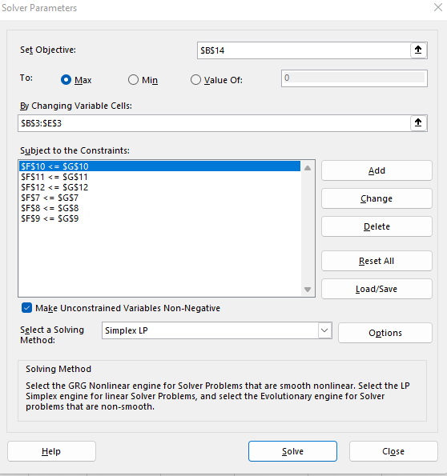
Total Profit | $469.50
Used Equation for Sum Product for Used inventory and Total Profit.
=SUMPRODUCT(B3:E3,B4:E4)
=SUMPRODUCT($B$3:$E$3,B7:E7)

To Further Explain, we can use visuals to breakdown maximizing profit based on the parameters given to us by the customer (Available Inventory). The max the company can profit is $469.50. With more of some ingredients and less of others, we can maximize further.

